underwear
 |  |  |  |  |  |  |  |  |  |  |  |  |  | 20,543.60 € | 7095

PICTURE | SKU | Season | Category | Model | Part | Color Code | Article Description | Color Descri | Size | Brand | Gender | Composition | Made in | € UN Whs | Qty | € Price | EAN
 | 1107998A591-00135-L | Fall / Winter | UNDERWEAR | 110799 | 8A591 | 00135 | MEN'S WOVEN BATHROBE | MARINE | L | EMPORIO ARMANI | MAN | 100% COTTON | BG - BULGARIA | 60.90 | 2 | 121.80 | 8054524831482
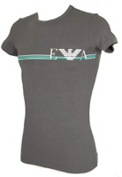 | 1108107P525-00020-L | Spring / Summer | UNDERWEAR | 110810 | 7P525 | 00020 | MEN'S KNIT T-SHIRT | NERO | L | EMPORIO ARMANI | MAN | 95% COTTON, 5% ELASTANE | LK - SRI LANKA | 19.60 | 29 | 568.40 | 8057015503523
 | 1108107P525-00020-M | Spring / Summer | UNDERWEAR | 110810 | 7P525 | 00020 | MEN'S KNIT T-SHIRT | NERO | M | EMPORIO ARMANI | MAN | 95% COTTON, 5% ELASTANE | LK - SRI LANKA | 19.60 | 30 | 588.00 | 8057015503530
 | 1108107P525-00020-S | Spring / Summer | UNDERWEAR | 110810 | 7P525 | 00020 | MEN'S KNIT T-SHIRT | NERO | S | EMPORIO ARMANI | MAN | 95% COTTON, 5% ELASTANE | LK - SRI LANKA | 19.60 | 18 | 352.80 | 8057015503547
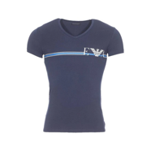 | 1108107P525-00135-L | Spring / Summer | UNDERWEAR | 110810 | 7P525 | 00135 | MEN'S KNIT T-SHIRT | MARINE | L | EMPORIO ARMANI | MAN | 95% COTTON, 5% ELASTANE | LK - SRI LANKA | 19.60 | 17 | 333.20 | 8057015756738
 | 1108107P525-00135-M | Spring / Summer | UNDERWEAR | 110810 | 7P525 | 00135 | MEN'S KNIT T-SHIRT | MARINE | M | EMPORIO ARMANI | MAN | 95% COTTON, 5% ELASTANE | LK - SRI LANKA | 19.60 | 30 | 588.00 | 8057015756745
 | 1108107P525-00135-S | Spring / Summer | UNDERWEAR | 110810 | 7P525 | 00135 | MEN'S KNIT T-SHIRT | MARINE | S | EMPORIO ARMANI | MAN | 95% COTTON, 5% ELASTANE | LK - SRI LANKA | 19.60 | 12 | 235.20 | 8057015756752
 | 1108107P525-00135-XL | Spring / Summer | UNDERWEAR | 110810 | 7P525 | 00135 | MEN'S KNIT T-SHIRT | MARINE | XL | EMPORIO ARMANI | MAN | 95% COTTON, 5% ELASTANE | LK - SRI LANKA | 19.60 | 7 | 137.20 | 8057015756769
 | 1108107P715-00010-L | Spring / Summer | UNDERWEAR | 110810 | 7P715 | 00010 | MEN'S KNIT T-SHIRT | BIANCO | L | EMPORIO ARMANI | MAN | 95% COTTON, 5% ELASTANE | LA - LAOS | 15.70 | 4 | 62.80 | 8057015503608
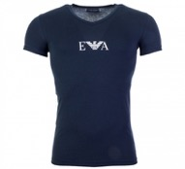 | 1108107P715-00135-L | Spring / Summer | UNDERWEAR | 110810 | 7P715 | 00135 | MEN'S KNIT T-SHIRT | MARINE | L | EMPORIO ARMANI | MAN | 95% COTTON, 5% ELASTANE | LA - LAOS | 15.70 | 10 | 157.00 | 8057015503752
 | 1108107P715-10462-L | Spring / Summer | UNDERWEAR | 110810 | 7P715 | 10462 | MEN'S KNIT T-SHIRT | CAROTA | L | EMPORIO ARMANI | MAN | 95% COTTON, 5% ELASTANE | LA - LAOS | 15.70 | 9 | 141.30 | 8057015503950
 | 1108107P715-10462-M | Spring / Summer | UNDERWEAR | 110810 | 7P715 | 10462 | MEN'S KNIT T-SHIRT | CAROTA | M | EMPORIO ARMANI | MAN | 95% COTTON, 5% ELASTANE | LA - LAOS | 15.70 | 12 | 188.40 | 8057015503967
 | 1108107P715-10462-S | Spring / Summer | UNDERWEAR | 110810 | 7P715 | 10462 | MEN'S KNIT T-SHIRT | CAROTA | S | EMPORIO ARMANI | MAN | 95% COTTON, 5% ELASTANE | LA - LAOS | 15.70 | 4 | 62.80 | 8057015503974
 | 1108107P715-10462-XL | Spring / Summer | UNDERWEAR | 110810 | 7P715 | 10462 | MEN'S KNIT T-SHIRT | CAROTA | XL | EMPORIO ARMANI | MAN | 95% COTTON, 5% ELASTANE | LA - LAOS | 15.70 | 5 | 78.50 | 8057015503981
 | 1108107P715-10462-XXL | Spring / Summer | UNDERWEAR | 110810 | 7P715 | 10462 | MEN'S KNIT T-SHIRT | CAROTA | XXL | EMPORIO ARMANI | MAN | 95% COTTON, 5% ELASTANE | LA - LAOS | 15.70 | 7 | 109.90 | 8057015503998
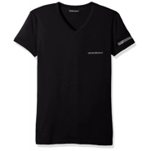 | 1108107P723-00020-L | Spring / Summer | UNDERWEAR | 110810 | 7P723 | 00020 | MEN'S KNIT T-SHIRT | NERO | L | EMPORIO ARMANI | MAN | 95% COTTON, 5% ELASTANE | VN - VIETNAM | 19.60 | 18 | 352.80 | 8057015756776
 | 1108107P723-00020-M | Spring / Summer | UNDERWEAR | 110810 | 7P723 | 00020 | MEN'S KNIT T-SHIRT | NERO | M | EMPORIO ARMANI | MAN | 95% COTTON, 5% ELASTANE | VN - VIETNAM | 19.60 | 18 | 352.80 | 8057015756783
 | 1108107P723-00020-S | Spring / Summer | UNDERWEAR | 110810 | 7P723 | 00020 | MEN'S KNIT T-SHIRT | NERO | S | EMPORIO ARMANI | MAN | 95% COTTON, 5% ELASTANE | VN - VIETNAM | 19.60 | 12 | 235.20 | 8057015756790
 | 1108107P723-00020-XL | Spring / Summer | UNDERWEAR | 110810 | 7P723 | 00020 | MEN'S KNIT T-SHIRT | NERO | XL | EMPORIO ARMANI | MAN | 95% COTTON, 5% ELASTANE | VN - VIETNAM | 19.60 | 4 | 78.40 | 8057015756806
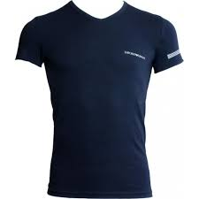 | 1108107P723-00135-L | Spring / Summer | UNDERWEAR | 110810 | 7P723 | 00135 | MEN'S KNIT T-SHIRT | MARINE | L | EMPORIO ARMANI | MAN | 95% COTTON, 5% ELASTANE | VN - VIETNAM | 19.60 | 12 | 235.20 | 8057015756820
 | 1108107P723-00135-M | Spring / Summer | UNDERWEAR | 110810 | 7P723 | 00135 | MEN'S KNIT T-SHIRT | MARINE | M | EMPORIO ARMANI | MAN | 95% COTTON, 5% ELASTANE | VN - VIETNAM | 19.60 | 16 | 313.60 | 8057015756837
 | 1108107P723-00135-S | Spring / Summer | UNDERWEAR | 110810 | 7P723 | 00135 | MEN'S KNIT T-SHIRT | MARINE | S | EMPORIO ARMANI | MAN | 95% COTTON, 5% ELASTANE | VN - VIETNAM | 19.60 | 9 | 176.40 | 8057015756844
 | 1108107P723-00135-XL | Spring / Summer | UNDERWEAR | 110810 | 7P723 | 00135 | MEN'S KNIT T-SHIRT | MARINE | XL | EMPORIO ARMANI | MAN | 95% COTTON, 5% ELASTANE | VN - VIETNAM | 19.60 | 6 | 117.60 | 8057015756851
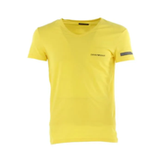 | 1108107P723-01860-L | Spring / Summer | UNDERWEAR | 110810 | 7P723 | 01860 | MEN'S KNIT T-SHIRT | LIMONE | L | EMPORIO ARMANI | MAN | 95% COTTON, 5% ELASTANE | VN - VIETNAM | 19.60 | 3 | 58.80 | 8057015504001
 | 1108107P723-01860-M | Spring / Summer | UNDERWEAR | 110810 | 7P723 | 01860 | MEN'S KNIT T-SHIRT | LIMONE | M | EMPORIO ARMANI | MAN | 95% COTTON, 5% ELASTANE | VN - VIETNAM | 19.60 | 7 | 137.20 | 8057015504018
 | 1108107P723-01860-S | Spring / Summer | UNDERWEAR | 110810 | 7P723 | 01860 | MEN'S KNIT T-SHIRT | LIMONE | S | EMPORIO ARMANI | MAN | 95% COTTON, 5% ELASTANE | VN - VIETNAM | 19.60 | 3 | 58.80 | 8057015504025
 | 1108107P723-01860-XL | Spring / Summer | UNDERWEAR | 110810 | 7P723 | 01860 | MEN'S KNIT T-SHIRT | LIMONE | XL | EMPORIO ARMANI | MAN | 95% COTTON, 5% ELASTANE | VN - VIETNAM | 19.60 | 5 | 98.00 | 8057015504032
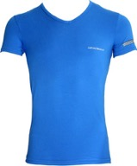 | 1108107P723-03833-L | Spring / Summer | UNDERWEAR | 110810 | 7P723 | 03833 | MEN'S KNIT T-SHIRT | BLU CINA | L | EMPORIO ARMANI | MAN | 95% COTTON, 5% ELASTANE | VN - VIETNAM | 19.60 | 5 | 98.00 | 8057015756875
 | 1108107P723-03833-M | Spring / Summer | UNDERWEAR | 110810 | 7P723 | 03833 | MEN'S KNIT T-SHIRT | BLU CINA | M | EMPORIO ARMANI | MAN | 95% COTTON, 5% ELASTANE | VN - VIETNAM | 19.60 | 11 | 215.60 | 8057015756882
 | 1108107P723-03833-S | Spring / Summer | UNDERWEAR | 110810 | 7P723 | 03833 | MEN'S KNIT T-SHIRT | BLU CINA | S | EMPORIO ARMANI | MAN | 95% COTTON, 5% ELASTANE | VN - VIETNAM | 19.60 | 8 | 156.80 | 8057015756899
 | 1108107P723-03833-XL | Spring / Summer | UNDERWEAR | 110810 | 7P723 | 03833 | MEN'S KNIT T-SHIRT | BLU CINA | XL | EMPORIO ARMANI | MAN | 95% COTTON, 5% ELASTANE | VN - VIETNAM | 19.60 | 2 | 39.20 | 8057015756905
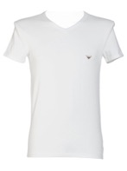 | 1108107P725-00010-L | Spring / Summer | UNDERWEAR | 110810 | 7P725 | 00010 | MEN'S KNIT T-SHIRT | BIANCO | L | EMPORIO ARMANI | MAN | 95% COTTON, 5% ELASTANE | MM - MYANMAR | 19.60 | 6 | 117.60 | 8057015504056
 | 1108107P725-00010-M | Spring / Summer | UNDERWEAR | 110810 | 7P725 | 00010 | MEN'S KNIT T-SHIRT | BIANCO | M | EMPORIO ARMANI | MAN | 95% COTTON, 5% ELASTANE | MM - MYANMAR | 19.60 | 4 | 78.40 | 8057015504063
 | 1108107P725-00010-XL | Spring / Summer | UNDERWEAR | 110810 | 7P725 | 00010 | MEN'S KNIT T-SHIRT | BIANCO | XL | EMPORIO ARMANI | MAN | 95% COTTON, 5% ELASTANE | MM - MYANMAR | 19.60 | 1 | 19.60 | 8057015504087
 | 1108107P725-00020-L | Spring / Summer | UNDERWEAR | 110810 | 7P725 | 00020 | MEN'S KNIT T-SHIRT | NERO | L | EMPORIO ARMANI | MAN | 95% COTTON, 5% ELASTANE | MM - MYANMAR | 19.60 | 8 | 156.80 | 8057015504100
 | 1108107P725-00020-M | Spring / Summer | UNDERWEAR | 110810 | 7P725 | 00020 | MEN'S KNIT T-SHIRT | NERO | M | EMPORIO ARMANI | MAN | 95% COTTON, 5% ELASTANE | MM - MYANMAR | 19.60 | 10 | 196.00 | 8057015504117
 | 1108107P725-00020-S | Spring / Summer | UNDERWEAR | 110810 | 7P725 | 00020 | MEN'S KNIT T-SHIRT | NERO | S | EMPORIO ARMANI | MAN | 95% COTTON, 5% ELASTANE | MM - MYANMAR | 19.60 | 7 | 137.20 | 8057015504124
 | 1108107P725-00020-XL | Spring / Summer | UNDERWEAR | 110810 | 7P725 | 00020 | MEN'S KNIT T-SHIRT | NERO | XL | EMPORIO ARMANI | MAN | 95% COTTON, 5% ELASTANE | MM - MYANMAR | 19.60 | 3 | 58.80 | 8057015504131
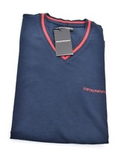 | 1108107P725-00135-L | Spring / Summer | UNDERWEAR | 110810 | 7P725 | 00135 | MEN'S KNIT T-SHIRT | MARINE | L | EMPORIO ARMANI | MAN | 95% COTTON, 5% ELASTANE | MM - MYANMAR | 19.60 | 11 | 215.60 | 8057015504209
 | 1108107P725-00135-M | Spring / Summer | UNDERWEAR | 110810 | 7P725 | 00135 | MEN'S KNIT T-SHIRT | MARINE | M | EMPORIO ARMANI | MAN | 95% COTTON, 5% ELASTANE | MM - MYANMAR | 19.60 | 9 | 176.40 | 8057015504216
 | 1108107P725-00135-S | Spring / Summer | UNDERWEAR | 110810 | 7P725 | 00135 | MEN'S KNIT T-SHIRT | MARINE | S | EMPORIO ARMANI | MAN | 95% COTTON, 5% ELASTANE | MM - MYANMAR | 19.60 | 6 | 117.60 | 8057015504223
 | 1108107P725-00135-XL | Spring / Summer | UNDERWEAR | 110810 | 7P725 | 00135 | MEN'S KNIT T-SHIRT | MARINE | XL | EMPORIO ARMANI | MAN | 95% COTTON, 5% ELASTANE | MM - MYANMAR | 19.60 | 5 | 98.00 | 8057015504230
 | 1108107P725-03833-L | Spring / Summer | UNDERWEAR | 110810 | 7P725 | 03833 | MEN'S KNIT T-SHIRT | BLU CINA | L | EMPORIO ARMANI | MAN | 95% COTTON, 5% ELASTANE | MM - MYANMAR | 19.60 | 12 | 235.20 | 8057015504308
 | 1108107P725-03833-M | Spring / Summer | UNDERWEAR | 110810 | 7P725 | 03833 | MEN'S KNIT T-SHIRT | BLU CINA | M | EMPORIO ARMANI | MAN | 95% COTTON, 5% ELASTANE | MM - MYANMAR | 19.60 | 15 | 294.00 | 8057015504315
 | 1108107P725-03833-S | Spring / Summer | UNDERWEAR | 110810 | 7P725 | 03833 | MEN'S KNIT T-SHIRT | BLU CINA | S | EMPORIO ARMANI | MAN | 95% COTTON, 5% ELASTANE | MM - MYANMAR | 19.60 | 8 | 156.80 | 8057015504322
 | 1108107P725-03833-XL | Spring / Summer | UNDERWEAR | 110810 | 7P725 | 03833 | MEN'S KNIT T-SHIRT | BLU CINA | XL | EMPORIO ARMANI | MAN | 95% COTTON, 5% ELASTANE | MM - MYANMAR | 19.60 | 4 | 78.40 | 8057015504339
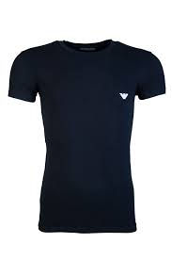 | 1108108A512-00135-L | Fall / Winter | UNDERWEAR | 110810 | 8A512 | 00135 | MEN'S KNIT T-SHIRT | MARINE | L | EMPORIO ARMANI | MAN | 95% COTTON, 5% ELASTANE | VN - VIETNAM | 17.40 | 1 | 17.40 | 8054703889099
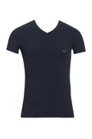 | 1108108A523-23233-XL | Fall / Winter | UNDERWEAR | 110810 | 8A523 | 23233 | MEN'S KNIT T-SHIRT | MAZARINE | XL | EMPORIO ARMANI | MAN | 95% COTTON, 5% ELASTANE | VN - VIETNAM | 19.60 | 1 | 19.60 | 8054524832144
 | 1108108A525-06749-M | Fall / Winter | UNDERWEAR | 110810 | 8A525 | 06749 | MEN'S KNIT T-SHIRT | GRIGIO MELANGE SCURO | M | EMPORIO ARMANI | MAN | 95% COTTON, 5% ELASTANE | VN - VIETNAM | 19.60 | 1 | 19.60 | 8054524832304
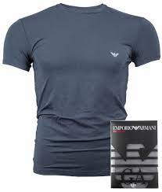 | 1108108A745-00044-S | Fall / Winter | UNDERWEAR | 110810 | 8A745 | 00044 | MEN'S KNIT T-SHIRT | ANTRACITE | S | EMPORIO ARMANI | MAN | 95% COTTON, 5% ELASTANE | VN - VIETNAM | 19.60 | 1 | 19.60 | 8054524833189
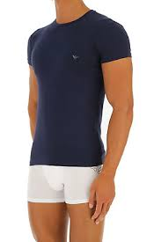 | 1108108A745-00135-L | Fall / Winter | UNDERWEAR | 110810 | 8A745 | 00135 | MEN'S KNIT T-SHIRT | MARINE | L | EMPORIO ARMANI | MAN | 95% COTTON, 5% ELASTANE | VN - VIETNAM | 19.60 | 1 | 19.60 | 8054703889389
 | 1108108A745-00135-M | Fall / Winter | UNDERWEAR | 110810 | 8A745 | 00135 | MEN'S KNIT T-SHIRT | MARINE | M | EMPORIO ARMANI | MAN | 95% COTTON, 5% ELASTANE | VN - VIETNAM | 19.60 | 1 | 19.60 | 8054703889396
 | 1108108A745-00135-S | Fall / Winter | UNDERWEAR | 110810 | 8A745 | 00135 | MEN'S KNIT T-SHIRT | MARINE | S | EMPORIO ARMANI | MAN | 95% COTTON, 5% ELASTANE | VN - VIETNAM | 19.60 | 4 | 78.40 | 8054703889402
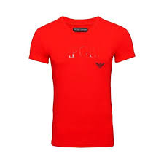 | 1108108P516-01975-M | Spring / Summer | UNDERWEAR | 110810 | 8P516 | 01975 | MEN'S KNIT T-SHIRT | CILIEGIA | M | EMPORIO ARMANI | MAN | 95% COTTON, 5% ELASTANE | MM - MYANMAR | 19.60 | 1 | 19.60 | 8059596416919
 | 1108108P525-00048-S | Spring / Summer | UNDERWEAR | 110810 | 8P525 | 00048 | MEN'S KNIT T-SHIRT | GRIGIO MELANGE | S | EMPORIO ARMANI | MAN | 95% COTTON, 5% ELASTANE | VN - VIETNAM | 19.60 | 1 | 19.60 | 8059596417046
 | 1108108P525-20833-S | Spring / Summer | UNDERWEAR | 110810 | 8P525 | 20833 | MEN'S KNIT T-SHIRT | CIELO | S | EMPORIO ARMANI | MAN | 95% COTTON, 5% ELASTANE | VN - VIETNAM | 19.60 | 1 | 19.60 | 8059596417121
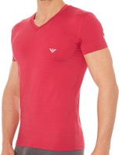 | 1108108P719-01975-L | Spring / Summer | UNDERWEAR | 110810 | 8P719 | 01975 | MEN'S KNIT T-SHIRT | CILIEGIA | L | EMPORIO ARMANI | MAN | 88% POLYAMIDE, 12% ELASTANE | MM - MYANMAR | 17.00 | 1 | 17.00 | 8059596417749
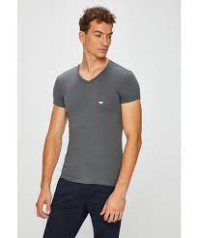 | 1108108P729-00044-S | Spring / Summer | UNDERWEAR | 110810 | 8P729 | 00044 | MEN'S KNIT T-SHIRT | ANTRACITE | S | EMPORIO ARMANI | MAN | 95% COTTON, 5% ELASTANE | VN - VIETNAM | 17.40 | 1 | 17.40 | 8059596418159
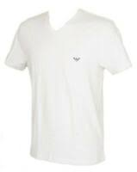 | 1108108P745-00010-XL | Spring / Summer | UNDERWEAR | 110810 | 8P745 | 00010 | MEN'S KNIT T-SHIRT | BIANCO | XL | EMPORIO ARMANI | MAN | 95% COTTON, 5% ELASTANE | MM - MYANMAR | 21.70 | 1 | 21.70 | 8059596418326
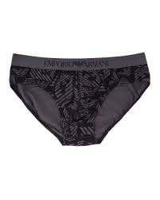 | 1108147A506-20520-S | Fall / Winter | UNDERWEAR | 110814 | 7A506 | 20520 | MEN'S KNIT BRIEF | NERO/FUMO | S | EMPORIO ARMANI | MAN | 95% COTTON, 5% ELASTANE ELASTIC WAIST71% POLYAMIDE, 19% POLYES | TH - THAILAND | 12.20 | 2 | 24.40 | 8051518487311
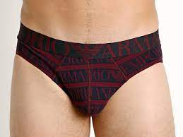 | 1108147A508-06693-M | Fall / Winter | UNDERWEAR | 110814 | 7A508 | 06693 | MEN'S KNIT BRIEF | MELANZANA STAMPATO | M | EMPORIO ARMANI | MAN | 95% COTTON, 5% ELASTANE ELASTIC WAIST57% POLYAMIDE, 31% POLYES | TH - THAILAND | 12.20 | 1 | 12.20 | 8051518487397
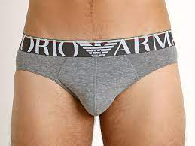 | 1108147A510-06749-S | Fall / Winter | UNDERWEAR | 110814 | 7A510 | 06749 | MEN'S KNIT BRIEF | GRIGIO MELANGE SCURO | S | EMPORIO ARMANI | MAN | 95% COTTON, 5% ELASTANE ELASTIC WAIST72% POLYAMIDE, 19% POLYES | MM - MYANMAR | 11.30 | 2 | 22.60 | 8051518487656
 | 1108147A510-06749-XL | Fall / Winter | UNDERWEAR | 110814 | 7A510 | 06749 | MEN'S KNIT BRIEF | GRIGIO MELANGE SCURO | XL | EMPORIO ARMANI | MAN | 95% COTTON, 5% ELASTANE ELASTIC WAIST72% POLYAMIDE, 19% POLYES | MM - MYANMAR | 11.30 | 1 | 11.30 | 8051518487663
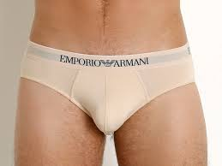 | 1108147A719-00971-L | Fall / Winter | UNDERWEAR | 110814 | 7A719 | 00971 | MEN'S KNIT BRIEF | CARNE | L | EMPORIO ARMANI | MAN | 88% POLYAMIDE, 12% ELASTANE ELASTIC WAIST93% POLYESTER, 7% ELASTAN | MM - MYANMAR | 11.30 | 1 | 11.30 | 8051518488431
 | 1108147A719-00971-M | Fall / Winter | UNDERWEAR | 110814 | 7A719 | 00971 | MEN'S KNIT BRIEF | CARNE | M | EMPORIO ARMANI | MAN | 88% POLYAMIDE, 12% ELASTANE ELASTIC WAIST93% POLYESTER, 7% ELASTAN | MM - MYANMAR | 11.30 | 1 | 11.30 | 8051518488448
 | 1108147A719-00971-XL | Fall / Winter | UNDERWEAR | 110814 | 7A719 | 00971 | MEN'S KNIT BRIEF | CARNE | XL | EMPORIO ARMANI | MAN | 88% POLYAMIDE, 12% ELASTANE ELASTIC WAIST93% POLYESTER, 7% ELASTAN | MM - MYANMAR | 11.30 | 1 | 11.30 | 8051518488462
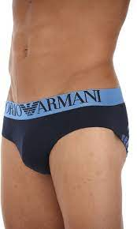 | 1108147A745-00135-L | Fall / Winter | UNDERWEAR | 110814 | 7A745 | 00135 | MEN'S KNIT BRIEF | MARINE | L | EMPORIO ARMANI | MAN | 95% COTTON, 5% ELASTANE ELASTIC WAIST60% POLYAMIDE, 35% POLYES | MM - MYANMAR | 13.00 | 1 | 13.00 | 8051518488820
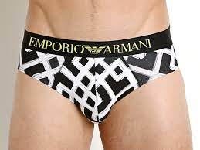 | 1108147P505-44720-M | Spring / Summer | UNDERWEAR | 110814 | 7P505 | 44720 | MEN'S KNIT BRIEF | GEOMETRICO NERO | M | EMPORIO ARMANI | MAN | 95% COTTON, 5% ELASTANE | TH - THAILAND | 11.70 | 1 | 11.70 | 8057015757421
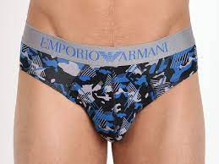 | 1108147P526-45020-S | Spring / Summer | UNDERWEAR | 110814 | 7P526 | 45020 | MEN'S KNIT BRIEF | NERO/FERRO/BLU CINA | S | EMPORIO ARMANI | MAN | 95% COTTON, 5% ELASTANE | TH - THAILAND | 13.00 | 4 | 52.00 | 8057015758329
 | 1108148A506-21044-M | Fall / Winter | UNDERWEAR | 110814 | 8A506 | 21044 | MEN'S KNIT BRIEF | ANTRACITE STAM.MOSTO | M | EMPORIO ARMANI | MAN | 95% COTTON, 5% ELASTANE ELASTIC WAIST71% POLYAMIDE, 19% POLYES | TH - THAILAND | 12.20 | 1 | 12.20 | 8054524833509
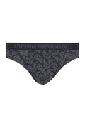 | 1108148A511-00010-L | Fall / Winter | UNDERWEAR | 110814 | 8A511 | 00010 | MEN'S KNIT BRIEF | BIANCO | L | EMPORIO ARMANI | MAN | 90% MODAL, 10% ELASTANE ELASTIC WAIST73% POLYAMIDE, 19% POLYES | TH - THAILAND | 14.30 | 1 | 14.30 | 8054524833820
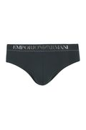 | 1108148A511-07684-S | Fall / Winter | UNDERWEAR | 110814 | 8A511 | 07684 | MEN'S KNIT BRIEF | PINO | S | EMPORIO ARMANI | MAN | 90% MODAL, 10% ELASTANE ELASTIC WAIST73% POLYAMIDE, 19% POLYES | TH - THAILAND | 14.30 | 1 | 14.30 | 8054703889549
 | 1108148A512-00010-M | Fall / Winter | UNDERWEAR | 110814 | 8A512 | 00010 | MEN'S KNIT BRIEF | BIANCO | M | EMPORIO ARMANI | MAN | 95% COTTON, 5% ELASTANE ELASTIC WAIST69% POLYAMIDE, 22% POLYES | VN - VIETNAM | 11.30 | 1 | 11.30 | 8054703889587
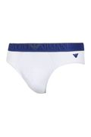 | 1108148A512-00010-S | Fall / Winter | UNDERWEAR | 110814 | 8A512 | 00010 | MEN'S KNIT BRIEF | BIANCO | S | EMPORIO ARMANI | MAN | 95% COTTON, 5% ELASTANE ELASTIC WAIST69% POLYAMIDE, 22% POLYES | VN - VIETNAM | 11.30 | 2 | 22.60 | 8054703889594
 | 1108148A516-00010-M | Fall / Winter | UNDERWEAR | 110814 | 8A516 | 00010 | MEN'S KNIT BRIEF | BIANCO | M | EMPORIO ARMANI | MAN | 95% COTTON, 5% ELASTANE ELASTIC WAIST68% POLYAMIDE, 27% POLYES | VN - VIETNAM | 11.30 | 1 | 11.30 | 8054524528764
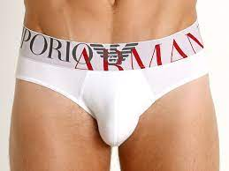 | 1108148A516-00010-S | Fall / Winter | UNDERWEAR | 110814 | 8A516 | 00010 | MEN'S KNIT BRIEF | BIANCO | S | EMPORIO ARMANI | MAN | 95% COTTON, 5% ELASTANE ELASTIC WAIST68% POLYAMIDE, 27% POLYES | VN - VIETNAM | 11.30 | 3 | 33.90 | 8054524528771
 | 1108148A516-00010-XL | Fall / Winter | UNDERWEAR | 110814 | 8A516 | 00010 | MEN'S KNIT BRIEF | BIANCO | XL | EMPORIO ARMANI | MAN | 95% COTTON, 5% ELASTANE ELASTIC WAIST68% POLYAMIDE, 27% POLYES | VN - VIETNAM | 11.30 | 1 | 11.30 | 8054524528788
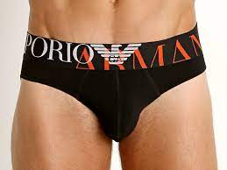 | 1108148A516-00020-S | Fall / Winter | UNDERWEAR | 110814 | 8A516 | 00020 | MEN'S KNIT BRIEF | NERO | S | EMPORIO ARMANI | MAN | 95% COTTON, 5% ELASTANE ELASTIC WAIST68% POLYAMIDE, 27% POLYES | VN - VIETNAM | 11.30 | 2 | 22.60 | 8054524834193
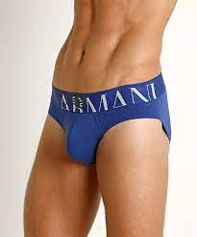 | 1108148A516-23233-L | Fall / Winter | UNDERWEAR | 110814 | 8A516 | 23233 | MEN'S KNIT BRIEF | MAZARINE | L | EMPORIO ARMANI | MAN | 95% COTTON, 5% ELASTANE ELASTIC WAIST68% POLYAMIDE, 27% POLYES | VN - VIETNAM | 11.30 | 3 | 33.90 | 8054703889624
 | 1108148A516-23233-XL | Fall / Winter | UNDERWEAR | 110814 | 8A516 | 23233 | MEN'S KNIT BRIEF | MAZARINE | XL | EMPORIO ARMANI | MAN | 95% COTTON, 5% ELASTANE ELASTIC WAIST68% POLYAMIDE, 27% POLYES | VN - VIETNAM | 11.30 | 1 | 11.30 | 8054703889655
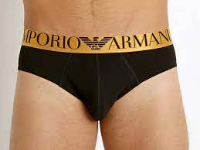 | 1108148A595-00020-S | Fall / Winter | UNDERWEAR | 110814 | 8A595 | 00020 | MEN'S KNIT BRIEF | NERO | S | EMPORIO ARMANI | MAN | 95% COTTON, 5% ELASTANE ELASTIC WAIST72% POLYAMIDE, 20% POLYES | TH - THAILAND | 17.00 | 1 | 17.00 | 8054703889761
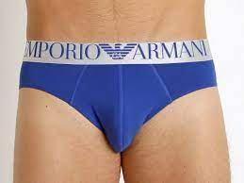 | 1108148A595-23233-S | Fall / Winter | UNDERWEAR | 110814 | 8A595 | 23233 | MEN'S KNIT BRIEF | MAZARINE | S | EMPORIO ARMANI | MAN | 95% COTTON, 5% ELASTANE ELASTIC WAIST72% POLYAMIDE, 20% POLYES | TH - THAILAND | 17.00 | 1 | 17.00 | 8054524834513
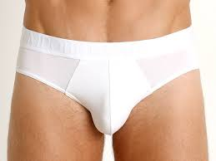 | 1108148A710-00010-M | Fall / Winter | UNDERWEAR | 110814 | 8A710 | 00010 | MEN'S KNIT BRIEF | BIANCO | M | EMPORIO ARMANI | MAN | 88% COTTON, 12% ELASTANE ELASTIC WAIST63% POLYAMIDE, 28% POLYES | TH - THAILAND | 14.80 | 4 | 59.20 | 8054524834544
 | 1108148A710-00010-S | Fall / Winter | UNDERWEAR | 110814 | 8A710 | 00010 | MEN'S KNIT BRIEF | BIANCO | S | EMPORIO ARMANI | MAN | 88% COTTON, 12% ELASTANE ELASTIC WAIST63% POLYAMIDE, 28% POLYES | TH - THAILAND | 14.80 | 2 | 29.60 | 8054524834551
 | 1108148A710-00010-XL | Fall / Winter | UNDERWEAR | 110814 | 8A710 | 00010 | MEN'S KNIT BRIEF | BIANCO | XL | EMPORIO ARMANI | MAN | 88% COTTON, 12% ELASTANE ELASTIC WAIST63% POLYAMIDE, 28% POLYES | TH - THAILAND | 14.80 | 1 | 14.80 | 8054524834568
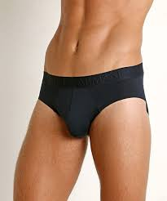 | 1108148A710-00135-S | Fall / Winter | UNDERWEAR | 110814 | 8A710 | 00135 | MEN'S KNIT BRIEF | MARINE | S | EMPORIO ARMANI | MAN | 88% COTTON, 12% ELASTANE ELASTIC WAIST63% POLYAMIDE, 28% POLYES | TH - THAILAND | 14.80 | 1 | 14.80 | 8054703889808
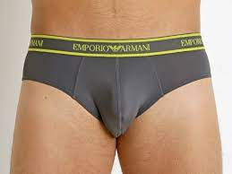 | 1108148A719-00044-M | Fall / Winter | UNDERWEAR | 110814 | 8A719 | 00044 | MEN'S KNIT BRIEF | ANTRACITE | M | EMPORIO ARMANI | MAN | 88% POLYAMIDE, 12% ELASTANE ELASTIC WAIST84% POLYESTER, 16% ELASTA | VN - VIETNAM | 11.30 | 6 | 67.80 | 8054524834667
 | 1108148A719-00044-S | Fall / Winter | UNDERWEAR | 110814 | 8A719 | 00044 | MEN'S KNIT BRIEF | ANTRACITE | S | EMPORIO ARMANI | MAN | 88% POLYAMIDE, 12% ELASTANE ELASTIC WAIST84% POLYESTER, 16% ELASTA | VN - VIETNAM | 11.30 | 3 | 33.90 | 8054524834674
 | 1108148A719-00044-XL | Fall / Winter | UNDERWEAR | 110814 | 8A719 | 00044 | MEN'S KNIT BRIEF | ANTRACITE | XL | EMPORIO ARMANI | MAN | 88% POLYAMIDE, 12% ELASTANE ELASTIC WAIST84% POLYESTER, 16% ELASTA | VN - VIETNAM | 11.30 | 3 | 33.90 | 8054524834681
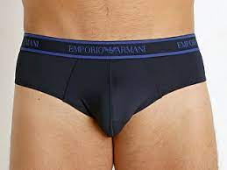 | 1108148A719-00235-XL | Fall / Winter | UNDERWEAR | 110814 | 8A719 | 00235 | MEN'S KNIT BRIEF | MARINE | XL | EMPORIO ARMANI | MAN | 88% POLYAMIDE, 12% ELASTANE ELASTIC WAIST84% POLYESTER, 16% ELASTA | VN - VIETNAM | 11.30 | 2 | 22.60 | 8054524834780
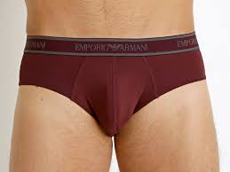 | 1108148A719-09476-M | Fall / Winter | UNDERWEAR | 110814 | 8A719 | 09476 | MEN'S KNIT BRIEF | MOSTO | M | EMPORIO ARMANI | MAN | 88% POLYAMIDE, 12% ELASTANE ELASTIC WAIST84% POLYESTER, 16% ELASTA | VN - VIETNAM | 11.30 | 1 | 11.30 | 8054524834810
 | 1108148A719-09476-XL | Fall / Winter | UNDERWEAR | 110814 | 8A719 | 09476 | MEN'S KNIT BRIEF | MOSTO | XL | EMPORIO ARMANI | MAN | 88% POLYAMIDE, 12% ELASTANE ELASTIC WAIST84% POLYESTER, 16% ELASTA | VN - VIETNAM | 11.30 | 2 | 22.60 | 8054524834834
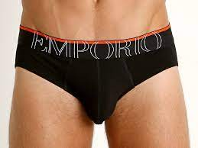 | 1108148A725-00020-M | Fall / Winter | UNDERWEAR | 110814 | 8A725 | 00020 | MEN'S KNIT BRIEF | NERO | M | EMPORIO ARMANI | MAN | 95% COTTON, 5% ELASTANE ELASTIC WAIST55% POLYAMIDE, 37% POLYES | VN - VIETNAM | 13.00 | 1 | 13.00 | 8054524834919
 | 1108148A725-00020-S | Fall / Winter | UNDERWEAR | 110814 | 8A725 | 00020 | MEN'S KNIT BRIEF | NERO | S | EMPORIO ARMANI | MAN | 95% COTTON, 5% ELASTANE ELASTIC WAIST55% POLYAMIDE, 37% POLYES | VN - VIETNAM | 13.00 | 2 | 26.00 | 8054524834926
 | 1108148A745-00020-S | Fall / Winter | UNDERWEAR | 110814 | 8A745 | 00020 | MEN'S KNIT BRIEF | NERO | S | EMPORIO ARMANI | MAN | 95% COTTON, 5% ELASTANE ELASTIC WAIST72% POLYAMIDE, 19% POLYES | VN - VIETNAM | 13.00 | 1 | 13.00 | 8054524835121
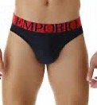 | 1108148A745-00135-L | Fall / Winter | UNDERWEAR | 110814 | 8A745 | 00135 | MEN'S KNIT BRIEF | MARINE | L | EMPORIO ARMANI | MAN | 95% COTTON, 5% ELASTANE ELASTIC WAIST72% POLYAMIDE, 19% POLYES | VN - VIETNAM | 13.00 | 1 | 13.00 | 8054703889921
 | 1108148A745-00135-S | Fall / Winter | UNDERWEAR | 110814 | 8A745 | 00135 | MEN'S KNIT BRIEF | MARINE | S | EMPORIO ARMANI | MAN | 95% COTTON, 5% ELASTANE ELASTIC WAIST72% POLYAMIDE, 19% POLYES | VN - VIETNAM | 13.00 | 1 | 13.00 | 8054703889945
 | 1108148A745-00135-XL | Fall / Winter | UNDERWEAR | 110814 | 8A745 | 00135 | MEN'S KNIT BRIEF | MARINE | XL | EMPORIO ARMANI | MAN | 95% COTTON, 5% ELASTANE ELASTIC WAIST72% POLYAMIDE, 19% POLYES | VN - VIETNAM | 13.00 | 1 | 13.00 | 8054703889952
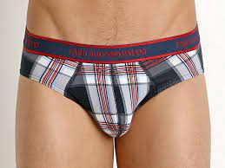 | 1108148P504-13734-M | Spring / Summer | UNDERWEAR | 110814 | 8P504 | 13734 | MEN'S KNIT BRIEF | SCOZ.STONE/BCO/TANGO | M | EMPORIO ARMANI | MAN | 95% COTTON, 5% ELASTANE ELASTIC WAIST49% POLYAMIDE, 43% POLYES | TH - THAILAND | 12.20 | 6 | 73.20 | 8059596418500
 | 1108148P504-13734-S | Spring / Summer | UNDERWEAR | 110814 | 8P504 | 13734 | MEN'S KNIT BRIEF | SCOZ.STONE/BCO/TANGO | S | EMPORIO ARMANI | MAN | 95% COTTON, 5% ELASTANE ELASTIC WAIST49% POLYAMIDE, 43% POLYES | TH - THAILAND | 12.20 | 8 | 97.60 | 8059596418517
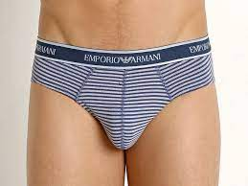 | 1108148P504-51135-L | Spring / Summer | UNDERWEAR | 110814 | 8P504 | 51135 | MEN'S KNIT BRIEF | RIGA BLU/BCO ORIZZ | L | EMPORIO ARMANI | MAN | 95% COTTON, 5% ELASTANE ELASTIC WAIST49% POLYAMIDE, 43% POLYES | TH - THAILAND | 12.20 | 2 | 24.40 | 8059596418692
 | 1108148P504-51135-M | Spring / Summer | UNDERWEAR | 110814 | 8P504 | 51135 | MEN'S KNIT BRIEF | RIGA BLU/BCO ORIZZ | M | EMPORIO ARMANI | MAN | 95% COTTON, 5% ELASTANE ELASTIC WAIST49% POLYAMIDE, 43% POLYES | TH - THAILAND | 12.20 | 3 | 36.60 | 8059596418708
 | 1108148P504-51135-XL | Spring / Summer | UNDERWEAR | 110814 | 8P504 | 51135 | MEN'S KNIT BRIEF | RIGA BLU/BCO ORIZZ | XL | EMPORIO ARMANI | MAN | 95% COTTON, 5% ELASTANE ELASTIC WAIST49% POLYAMIDE, 43% POLYES | TH - THAILAND | 12.20 | 1 | 12.20 | 8059596418722
 | 1108148P504-51135-XXL | Spring / Summer | UNDERWEAR | 110814 | 8P504 | 51135 | MEN'S KNIT BRIEF | RIGA BLU/BCO ORIZZ | XXL | EMPORIO ARMANI | MAN | 95% COTTON, 5% ELASTANE ELASTIC WAIST49% POLYAMIDE, 43% POLYES | TH - THAILAND | 12.20 | 1 | 12.20 | 8059596418739
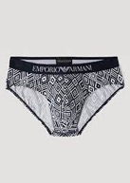 | 1108148P505-49810-L | Spring / Summer | UNDERWEAR | 110814 | 8P505 | 49810 | MEN'S KNIT BRIEF | PUNTINATO | L | EMPORIO ARMANI | MAN | 95% COTTON, 5% ELASTANE ELASTIC WAIST71% POLYAMIDE, 19% POLYES | TH - THAILAND | 12.20 | 3 | 36.60 | 8054523470392
 | 1108148P505-49810-M | Spring / Summer | UNDERWEAR | 110814 | 8P505 | 49810 | MEN'S KNIT BRIEF | PUNTINATO | M | EMPORIO ARMANI | MAN | 95% COTTON, 5% ELASTANE ELASTIC WAIST71% POLYAMIDE, 19% POLYES | TH - THAILAND | 12.20 | 4 | 48.80 | 8054523470408
 | 1108148P505-49810-S | Spring / Summer | UNDERWEAR | 110814 | 8P505 | 49810 | MEN'S KNIT BRIEF | PUNTINATO | S | EMPORIO ARMANI | MAN | 95% COTTON, 5% ELASTANE ELASTIC WAIST71% POLYAMIDE, 19% POLYES | TH - THAILAND | 12.20 | 3 | 36.60 | 8054523470415
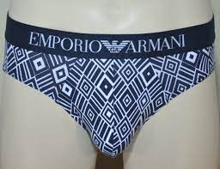 | 1108148P505-49910-L | Spring / Summer | UNDERWEAR | 110814 | 8P505 | 49910 | MEN'S KNIT BRIEF | GEOMETRICO | L | EMPORIO ARMANI | MAN | 95% COTTON, 5% ELASTANE ELASTIC WAIST71% POLYAMIDE, 19% POLYES | TH - THAILAND | 12.20 | 1 | 12.20 | 8059596418746
 | 1108148P505-49910-M | Spring / Summer | UNDERWEAR | 110814 | 8P505 | 49910 | MEN'S KNIT BRIEF | GEOMETRICO | M | EMPORIO ARMANI | MAN | 95% COTTON, 5% ELASTANE ELASTIC WAIST71% POLYAMIDE, 19% POLYES | TH - THAILAND | 12.20 | 1 | 12.20 | 8059596418753
 | 1108148P505-49910-S | Spring / Summer | UNDERWEAR | 110814 | 8P505 | 49910 | MEN'S KNIT BRIEF | GEOMETRICO | S | EMPORIO ARMANI | MAN | 95% COTTON, 5% ELASTANE ELASTIC WAIST71% POLYAMIDE, 19% POLYES | TH - THAILAND | 12.20 | 2 | 24.40 | 8059596418760
 | 1108148P506-23940-S | Spring / Summer | UNDERWEAR | 110814 | 8P506 | 23940 | MEN'S KNIT BRIEF | ALLUMST.ANT/MAR/TANG | S | EMPORIO ARMANI | MAN | 95% COTTON, 5% ELASTANE ELASTIC WAIST72% POLYAMIDE, 19% POLYES | TH - THAILAND | 12.20 | 2 | 24.40 | 8059596418845
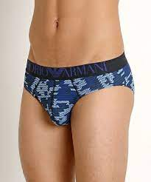 | 1108148P506-49735-L | Spring / Summer | UNDERWEAR | 110814 | 8P506 | 49735 | MEN'S KNIT BRIEF | MAR.ST.AZZ/STON/ULTR | L | EMPORIO ARMANI | MAN | 95% COTTON, 5% ELASTANE ELASTIC WAIST72% POLYAMIDE, 19% POLYES | TH - THAILAND | 12.20 | 3 | 36.60 | 8054523470439
 | 1108148P506-49735-M | Spring / Summer | UNDERWEAR | 110814 | 8P506 | 49735 | MEN'S KNIT BRIEF | MAR.ST.AZZ/STON/ULTR | M | EMPORIO ARMANI | MAN | 95% COTTON, 5% ELASTANE ELASTIC WAIST72% POLYAMIDE, 19% POLYES | TH - THAILAND | 12.20 | 10 | 122.00 | 8054523470446
 | 1108148P506-49735-S | Spring / Summer | UNDERWEAR | 110814 | 8P506 | 49735 | MEN'S KNIT BRIEF | MAR.ST.AZZ/STON/ULTR | S | EMPORIO ARMANI | MAN | 95% COTTON, 5% ELASTANE ELASTIC WAIST72% POLYAMIDE, 19% POLYES | TH - THAILAND | 12.20 | 2 | 24.40 | 8054523470453
 | 1108148P506-50110-M | Spring / Summer | UNDERWEAR | 110814 | 8P506 | 50110 | MEN'S KNIT BRIEF | BCO ST.NER/ANTR/ALL. | M | EMPORIO ARMANI | MAN | 95% COTTON, 5% ELASTANE ELASTIC WAIST72% POLYAMIDE, 19% POLYES | TH - THAILAND | 12.20 | 5 | 61.00 | 8059596418883
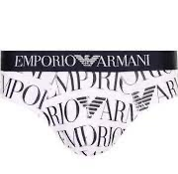 | 1108148P508-13310-L | Spring / Summer | UNDERWEAR | 110814 | 8P508 | 13310 | MEN'S KNIT BRIEF | BIANCO STAMPATO | L | EMPORIO ARMANI | MAN | 95% COTTON, 5% ELASTANE ELASTIC WAIST71% POLYAMIDE, 19% POLYES | TH - THAILAND | 12.20 | 3 | 36.60 | 8054523470484
 | 1108148P508-13310-M | Spring / Summer | UNDERWEAR | 110814 | 8P508 | 13310 | MEN'S KNIT BRIEF | BIANCO STAMPATO | M | EMPORIO ARMANI | MAN | 95% COTTON, 5% ELASTANE ELASTIC WAIST71% POLYAMIDE, 19% POLYES | TH - THAILAND | 12.20 | 1 | 12.20 | 8054523470491
 | 1108148P508-13310-S | Spring / Summer | UNDERWEAR | 110814 | 8P508 | 13310 | MEN'S KNIT BRIEF | BIANCO STAMPATO | S | EMPORIO ARMANI | MAN | 95% COTTON, 5% ELASTANE ELASTIC WAIST71% POLYAMIDE, 19% POLYES | TH - THAILAND | 12.20 | 3 | 36.60 | 8054523470507
 | 1108148P508-13310-XL | Spring / Summer | UNDERWEAR | 110814 | 8P508 | 13310 | MEN'S KNIT BRIEF | BIANCO STAMPATO | XL | EMPORIO ARMANI | MAN | 95% COTTON, 5% ELASTANE ELASTIC WAIST71% POLYAMIDE, 19% POLYES | TH - THAILAND | 12.20 | 2 | 24.40 | 8054523470514
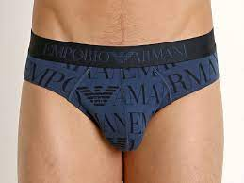 | 1108148P508-13634-M | Spring / Summer | UNDERWEAR | 110814 | 8P508 | 13634 | MEN'S KNIT BRIEF | BLU STONE STAMPATO | M | EMPORIO ARMANI | MAN | 95% COTTON, 5% ELASTANE ELASTIC WAIST71% POLYAMIDE, 19% POLYES | TH - THAILAND | 12.20 | 1 | 12.20 | 8059596418937
 | 1108148P508-13634-S | Spring / Summer | UNDERWEAR | 110814 | 8P508 | 13634 | MEN'S KNIT BRIEF | BLU STONE STAMPATO | S | EMPORIO ARMANI | MAN | 95% COTTON, 5% ELASTANE ELASTIC WAIST71% POLYAMIDE, 19% POLYES | TH - THAILAND | 12.20 | 2 | 24.40 | 8059596418944
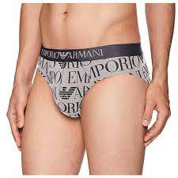 | 1108148P508-23740-M | Spring / Summer | UNDERWEAR | 110814 | 8P508 | 23740 | MEN'S KNIT BRIEF | ALLUMINIO STAMPATO | M | EMPORIO ARMANI | MAN | 95% COTTON, 5% ELASTANE ELASTIC WAIST71% POLYAMIDE, 19% POLYES | TH - THAILAND | 12.20 | 1 | 12.20 | 8059596418975
 | 1108148P510-00010-L | Spring / Summer | UNDERWEAR | 110814 | 8P510 | 00010 | MEN'S KNIT BRIEF | BIANCO | L | EMPORIO ARMANI | MAN | 95% COTTON, 5% ELASTANE ELASTIC WAIST60% POLYAMIDE, 34% POLYES | MM - MYANMAR | 11.30 | 3 | 33.90 | 8054523472617
 | 1108148P510-00010-M | Spring / Summer | UNDERWEAR | 110814 | 8P510 | 00010 | MEN'S KNIT BRIEF | BIANCO | M | EMPORIO ARMANI | MAN | 95% COTTON, 5% ELASTANE ELASTIC WAIST60% POLYAMIDE, 34% POLYES | MM - MYANMAR | 11.30 | 1 | 11.30 | 8054523472624
 | 1108148P510-00010-S | Spring / Summer | UNDERWEAR | 110814 | 8P510 | 00010 | MEN'S KNIT BRIEF | BIANCO | S | EMPORIO ARMANI | MAN | 95% COTTON, 5% ELASTANE ELASTIC WAIST60% POLYAMIDE, 34% POLYES | MM - MYANMAR | 11.30 | 1 | 11.30 | 8054523472631
 | 1108148P510-00010-XL | Spring / Summer | UNDERWEAR | 110814 | 8P510 | 00010 | MEN'S KNIT BRIEF | BIANCO | XL | EMPORIO ARMANI | MAN | 95% COTTON, 5% ELASTANE ELASTIC WAIST60% POLYAMIDE, 34% POLYES | MM - MYANMAR | 11.30 | 2 | 22.60 | 8054523472648
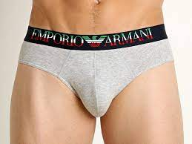 | 1108148P510-00048-L | Spring / Summer | UNDERWEAR | 110814 | 8P510 | 00048 | MEN'S KNIT BRIEF | GRIGIO MELANGE | L | EMPORIO ARMANI | MAN | 95% COTTON, 5% ELASTANE ELASTIC WAIST60% POLYAMIDE, 34% POLYES | MM - MYANMAR | 11.30 | 4 | 45.20 | 8059596419040
 | 1108148P510-00048-M | Spring / Summer | UNDERWEAR | 110814 | 8P510 | 00048 | MEN'S KNIT BRIEF | GRIGIO MELANGE | M | EMPORIO ARMANI | MAN | 95% COTTON, 5% ELASTANE ELASTIC WAIST60% POLYAMIDE, 34% POLYES | MM - MYANMAR | 11.30 | 4 | 45.20 | 8059596419057
 | 1108148P510-00048-S | Spring / Summer | UNDERWEAR | 110814 | 8P510 | 00048 | MEN'S KNIT BRIEF | GRIGIO MELANGE | S | EMPORIO ARMANI | MAN | 95% COTTON, 5% ELASTANE ELASTIC WAIST60% POLYAMIDE, 34% POLYES | MM - MYANMAR | 11.30 | 2 | 22.60 | 8059596419064
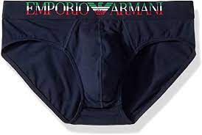 | 1108148P510-00135-L | Spring / Summer | UNDERWEAR | 110814 | 8P510 | 00135 | MEN'S KNIT BRIEF | MARINE | L | EMPORIO ARMANI | MAN | 95% COTTON, 5% ELASTANE ELASTIC WAIST60% POLYAMIDE, 34% POLYES | MM - MYANMAR | 11.30 | 3 | 33.90 | 8059596419088
 | 1108148P510-00135-M | Spring / Summer | UNDERWEAR | 110814 | 8P510 | 00135 | MEN'S KNIT BRIEF | MARINE | M | EMPORIO ARMANI | MAN | 95% COTTON, 5% ELASTANE ELASTIC WAIST60% POLYAMIDE, 34% POLYES | MM - MYANMAR | 11.30 | 6 | 67.80 | 8059596419095
 | 1108148P510-00135-S | Spring / Summer | UNDERWEAR | 110814 | 8P510 | 00135 | MEN'S KNIT BRIEF | MARINE | S | EMPORIO ARMANI | MAN | 95% COTTON, 5% ELASTANE ELASTIC WAIST60% POLYAMIDE, 34% POLYES | MM - MYANMAR | 11.30 | 6 | 67.80 | 8059596419101
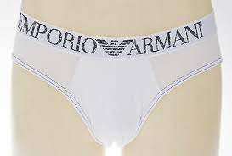 | 1108148P511-00010-L | Spring / Summer | UNDERWEAR | 110814 | 8P511 | 00010 | MENS KNIT BRIEF | BIANCO | L | EMPORIO ARMANI | MAN | 90% MODAL, 10% ELASTANE ELASTIC WAIST95% POLYAMIDE, 5% ELASTAN | CN - CHINA | 14.30 | 3 | 42.90 | 8059596419125
 | 1108148P511-00010-M | Spring / Summer | UNDERWEAR | 110814 | 8P511 | 00010 | MENS KNIT BRIEF | BIANCO | M | EMPORIO ARMANI | MAN | 90% MODAL, 10% ELASTANE ELASTIC WAIST95% POLYAMIDE, 5% ELASTAN | CN - CHINA | 14.30 | 6 | 85.80 | 8059596419132
 | 1108148P511-00010-S | Spring / Summer | UNDERWEAR | 110814 | 8P511 | 00010 | MENS KNIT BRIEF | BIANCO | S | EMPORIO ARMANI | MAN | 90% MODAL, 10% ELASTANE ELASTIC WAIST95% POLYAMIDE, 5% ELASTAN | CN - CHINA | 14.30 | 7 | 100.10 | 8059596419149
 | 1108148P511-00010-XL | Spring / Summer | UNDERWEAR | 110814 | 8P511 | 00010 | MENS KNIT BRIEF | BIANCO | XL | EMPORIO ARMANI | MAN | 90% MODAL, 10% ELASTANE ELASTIC WAIST95% POLYAMIDE, 5% ELASTAN | CN - CHINA | 14.30 | 2 | 28.60 | 8059596419156
 | 1108148P511-00020-L | Spring / Summer | UNDERWEAR | 110814 | 8P511 | 00020 | MENS KNIT BRIEF | NERO | L | EMPORIO ARMANI | MAN | 90% MODAL, 10% ELASTANE ELASTIC WAIST95% POLYAMIDE, 5% ELASTAN | CN - CHINA | 14.30 | 4 | 57.20 | 8059596419163
 | 1108148P511-00020-M | Spring / Summer | UNDERWEAR | 110814 | 8P511 | 00020 | MENS KNIT BRIEF | NERO | M | EMPORIO ARMANI | MAN | 90% MODAL, 10% ELASTANE ELASTIC WAIST95% POLYAMIDE, 5% ELASTAN | CN - CHINA | 14.30 | 4 | 57.20 | 8059596419170
 | 1108148P511-00020-S | Spring / Summer | UNDERWEAR | 110814 | 8P511 | 00020 | MENS KNIT BRIEF | NERO | S | EMPORIO ARMANI | MAN | 90% MODAL, 10% ELASTANE ELASTIC WAIST95% POLYAMIDE, 5% ELASTAN | CN - CHINA | 14.30 | 6 | 85.80 | 8059596419187
 | 1108148P511-13034-M | Spring / Summer | UNDERWEAR | 110814 | 8P511 | 13034 | MENS KNIT BRIEF | BLU STONE | M | EMPORIO ARMANI | MAN | 90% MODAL, 10% ELASTANE ELASTIC WAIST95% POLYAMIDE, 5% ELASTAN | CN - CHINA | 14.30 | 3 | 42.90 | 8054523475625
 | 1108148P511-13034-S | Spring / Summer | UNDERWEAR | 110814 | 8P511 | 13034 | MENS KNIT BRIEF | BLU STONE | S | EMPORIO ARMANI | MAN | 90% MODAL, 10% ELASTANE ELASTIC WAIST95% POLYAMIDE, 5% ELASTAN | CN - CHINA | 14.30 | 5 | 71.50 | 8054523475632
 | 1108148P512-00020-S | Spring / Summer | UNDERWEAR | 110814 | 8P511 | 13034 | MEN'S KNIT BRIEF | NERO | S | EMPORIO ARMANI | MAN | 95% COTTON, 5% ELASTANE ELASTIC WAIST69% POLYAMIDE, 22% POLYES | MM - MYANMAR | 11.30 | 3 | 33.90 | 8059596419347
 | 1108148P512-00135-S | Spring / Summer | UNDERWEAR | 110814 | 8P512 | 00135 | MEN'S KNIT BRIEF | MARINE | S | EMPORIO ARMANI | MAN | 95% COTTON, 5% ELASTANE ELASTIC WAIST69% POLYAMIDE, 22% POLYES | MM - MYANMAR | 11.30 | 1 | 11.30 | 8059596419385
 | 1108148P512-17574-L | Spring / Summer | UNDERWEAR | 110814 | 8P512 | 17574 | MEN'S KNIT BRIEF | TANGO RED | L | EMPORIO ARMANI | MAN | 95% COTTON, 5% ELASTANE ELASTIC WAIST69% POLYAMIDE, 22% POLYES | MM - MYANMAR | 11.30 | 1 | 11.30 | 8059596419408
 | 1108148P512-17574-M | Spring / Summer | UNDERWEAR | 110814 | 8P512 | 17574 | MEN'S KNIT BRIEF | TANGO RED | M | EMPORIO ARMANI | MAN | 95% COTTON, 5% ELASTANE ELASTIC WAIST69% POLYAMIDE, 22% POLYES | MM - MYANMAR | 11.30 | 9 | 101.70 | 8059596419415
 | 1108148P512-17574-S | Spring / Summer | UNDERWEAR | 110814 | 8P512 | 17574 | MEN'S KNIT BRIEF | TANGO RED | S | EMPORIO ARMANI | MAN | 95% COTTON, 5% ELASTANE ELASTIC WAIST69% POLYAMIDE, 22% POLYES | MM - MYANMAR | 11.30 | 11 | 124.30 | 8059596419422
 | 1108148P512-20533-L | Spring / Summer | UNDERWEAR | 110814 | 8P512 | 20533 | MEN'S KNIT BRIEF | ULTRAMARINE | L | EMPORIO ARMANI | MAN | 95% COTTON, 5% ELASTANE ELASTIC WAIST69% POLYAMIDE, 22% POLYES | MM - MYANMAR | 11.30 | 2 | 22.60 | 8054523472655
 | 1108148P512-20533-XL | Spring / Summer | UNDERWEAR | 110814 | 8P512 | 20533 | MEN'S KNIT BRIEF | ULTRAMARINE | XL | EMPORIO ARMANI | MAN | 95% COTTON, 5% ELASTANE ELASTIC WAIST69% POLYAMIDE, 22% POLYES | MM - MYANMAR | 11.30 | 1 | 11.30 | 8054523472686
 | 1108148P514-00010-L | Spring / Summer | UNDERWEAR | 110814 | 8P514 | 00010 | MEN'S KNIT BRIEF | BIANCO | L | EMPORIO ARMANI | MAN | 100% COTTON | VN - VIETNAM | 21.70 | 10 | 217.00 | 8059596415493
 | 1108148P514-00010-S | Spring / Summer | UNDERWEAR | 110814 | 8P514 | 00010 | MEN'S KNIT BRIEF | BIANCO | S | EMPORIO ARMANI | MAN | MAIN MATERIAL100% BOVINE LEATHER LINING100% POLYVINYL CHLORIDE (PVC) | VN - VIETNAM | 21.70 | 8 | 173.60 | 8059596415516
 | 1108148P514-00010-XL | Spring / Summer | UNDERWEAR | 110814 | 8P514 | 00010 | MEN'S KNIT BRIEF | BIANCO | XL | EMPORIO ARMANI | MAN | 50% WOOL, 50% ACRYLIC | VN - VIETNAM | 21.70 | 2 | 43.40 | 8059596415523
 | 1108148P514-00020-L | Spring / Summer | UNDERWEAR | 110814 | 8P514 | 00020 | MEN'S KNIT BRIEF | NERO | L | EMPORIO ARMANI | MAN | 100% VIRGIN WOOL LINING100% CUPRO TROUSER KNEE LINING65% ACETATE, 35% VI | VN - VIETNAM | 21.70 | 3 | 65.10 | 8059596419446
 | 1108148P514-00020-M | Spring / Summer | UNDERWEAR | 110814 | 8P514 | 00020 | MEN'S KNIT BRIEF | NERO | M | EMPORIO ARMANI | MAN | 100% VIRGIN WOOL DECORATIONS100% POLYESTER | VN - VIETNAM | 21.70 | 3 | 65.10 | 8059596419453
 | 1108148P514-00020-XL | Spring / Summer | UNDERWEAR | 110814 | 8P514 | 00020 | MEN'S KNIT BRIEF | NERO | XL | EMPORIO ARMANI | MAN | 95% COTTON, 5% ELASTANE ELASTIC WAIST57% POLYAMIDE, 31% POLYES | VN - VIETNAM | 21.70 | 2 | 43.40 | 8059596419477
 | 1108148P515-00020-L | Spring / Summer | UNDERWEAR | 110814 | 8P515 | 00020 | MEN'S KNIT BRIEF | NERO | L | EMPORIO ARMANI | MAN | 86% POLYAMIDE, 14% ELASTANE ELASTIC WAIST94% POLYESTER, 6% ELASTAN | CN - CHINA | 13.90 | 3 | 41.70 | 8054523475656
 | 1108148P515-00020-S | Spring / Summer | UNDERWEAR | 110814 | 8P515 | 00020 | MEN'S KNIT BRIEF | NERO | S | EMPORIO ARMANI | MAN | 86% POLYAMIDE, 14% ELASTANE ELASTIC WAIST94% POLYESTER, 6% ELASTAN | CN - CHINA | 13.90 | 1 | 13.90 | 8054523475670
 | 1108148P515-00135-L | Spring / Summer | UNDERWEAR | 110814 | 8P515 | 00135 | MEN'S KNIT BRIEF | MARINE | L | EMPORIO ARMANI | MAN | 86% POLYAMIDE, 14% ELASTANE ELASTIC WAIST94% POLYESTER, 6% ELASTAN | CN - CHINA | 13.90 | 4 | 55.60 | 8059596419484
 | 1108148P515-00135-M | Spring / Summer | UNDERWEAR | 110814 | 8P515 | 00135 | MEN'S KNIT BRIEF | MARINE | M | EMPORIO ARMANI | MAN | 86% POLYAMIDE, 14% ELASTANE ELASTIC WAIST94% POLYESTER, 6% ELASTAN | CN - CHINA | 13.90 | 4 | 55.60 | 8059596419491
 | 1108148P515-00135-S | Spring / Summer | UNDERWEAR | 110814 | 8P515 | 00135 | MEN'S KNIT BRIEF | MARINE | S | EMPORIO ARMANI | MAN | 86% POLYAMIDE, 14% ELASTANE ELASTIC WAIST94% POLYESTER, 6% ELASTAN | CN - CHINA | 13.90 | 2 | 27.80 | 8059596419507
 | 1108148P515-00135-XL | Spring / Summer | UNDERWEAR | 110814 | 8P515 | 00135 | MEN'S KNIT BRIEF | MARINE | XL | EMPORIO ARMANI | MAN | 86% POLYAMIDE, 14% ELASTANE ELASTIC WAIST94% POLYESTER, 6% ELASTAN | CN - CHINA | 13.90 | 1 | 13.90 | 8059596419514
 | 1108148P515-09483-L | Spring / Summer | UNDERWEAR | 110814 | 8P515 | 09483 | MEN'S KNIT BRIEF | TURCHESE | L | EMPORIO ARMANI | MAN | 86% POLYAMIDE, 14% ELASTANE ELASTIC WAIST94% POLYESTER, 6% ELASTAN | CN - CHINA | 13.90 | 1 | 13.90 | 8059596419521
 | 1108148P515-09483-M | Spring / Summer | UNDERWEAR | 110814 | 8P515 | 09483 | MEN'S KNIT BRIEF | TURCHESE | M | EMPORIO ARMANI | MAN | 86% POLYAMIDE, 14% ELASTANE ELASTIC WAIST94% POLYESTER, 6% ELASTAN | CN - CHINA | 13.90 | 7 | 97.30 | 8059596419538
 | 1108148P515-09483-S | Spring / Summer | UNDERWEAR | 110814 | 8P515 | 09483 | MEN'S KNIT BRIEF | TURCHESE | S | EMPORIO ARMANI | MAN | 86% POLYAMIDE, 14% ELASTANE ELASTIC WAIST94% POLYESTER, 6% ELASTAN | CN - CHINA | 13.90 | 28 | 389.20 | 8059596419545
 | 1108148P515-50310-L | Spring / Summer | UNDERWEAR | 110814 | 8P515 | 50310 | MEN'S KNIT BRIEF | STAMPA IBISCUS | L | EMPORIO ARMANI | MAN | 86% POLYAMIDE, 14% ELASTANE ELASTIC WAIST94% POLYESTER, 6% ELASTAN | CN - CHINA | 13.90 | 6 | 83.40 | 8059596419569
 | 1108148P515-50310-M | Spring / Summer | UNDERWEAR | 110814 | 8P515 | 50310 | MEN'S KNIT BRIEF | STAMPA IBISCUS | M | EMPORIO ARMANI | MAN | 86% POLYAMIDE, 14% ELASTANE ELASTIC WAIST94% POLYESTER, 6% ELASTAN | CN - CHINA | 13.90 | 4 | 55.60 | 8059596419576
 | 1108148P515-50310-S | Spring / Summer | UNDERWEAR | 110814 | 8P515 | 50310 | MEN'S KNIT BRIEF | STAMPA IBISCUS | S | EMPORIO ARMANI | MAN | 86% POLYAMIDE, 14% ELASTANE ELASTIC WAIST94% POLYESTER, 6% ELASTAN | CN - CHINA | 13.90 | 7 | 97.30 | 8059596419583
 | 1108148P516-00020-S | Spring / Summer | UNDERWEAR | 110814 | 8P516 | 00020 | MEN'S KNIT BRIEF | NERO | S | EMPORIO ARMANI | MAN | 95% COTTON, 5% ELASTANE ELASTIC WAIST74% POLYAMIDE, 17% POLYES | MM - MYANMAR | 11.30 | 1 | 11.30 | 8059596419620
 | 1108148P516-00135-L | Spring / Summer | UNDERWEAR | 110814 | 8P516 | 00135 | MEN'S KNIT BRIEF | MARINE | L | EMPORIO ARMANI | MAN | 95% COTTON, 5% ELASTANE ELASTIC WAIST74% POLYAMIDE, 17% POLYES | MM - MYANMAR | 11.30 | 3 | 33.90 | 8059596419682
...

